10min
...
ERCOT Std Dev of 10min changes
 |  | Implied |  | 2.8 | sigma
Maximum (MW) |  | Capacity | Std Dev | 99.5% | conf. intvl.
Up | Down | MW |  | % of Cap
156 | -176 | 1222 | 0.982% | 2.7%
213 | -185 | 1750 | 0.857% | 2.4%
272 | -279 | 3000 | 0.733% | 2.1%
509 | -392 | 4667 | 0.729% | 2.0%
839 | -935 | 8167 | 0.710% | 2.0%
918 | -1,256 | 9667 | 0.662% | 1.9%

Forecast (Capacity)
...
 |  | Forecast Error Std Dev, sigma (MW)
0 (Load Only) | 0 |  | 1755 | 1755 | 1755.0
5 GW | 5000 | 638 | 1755 | 1762 | 1867.4 | 7 | 407044 | 0.1276 | 0.351
10 GW case 1 | 10000 | 1167 | 1755 | 1928 | 2107.6 | 173 | 1361889 | 0.1167 | 0.1755
10 GW case 2 | 10000 | 1093 | 1755 | 1887 | 2067.5 | 132 | 1194649 | 0.1093 | 0.1755
15GW | 15000 | 1611 | 1755 | 2149 | 2382.3 | 394 | 2595321 | 0.1074 | 0.117
Extrapolated 20GW | 20000 | 2100.25 | 1755 |  | 2737.0
Extrapolated 25GW | 25000 | 2586.75 | 1755 |  | 3125.9
Extrapolated 30GW | 30000 | 3073.25 | 1755 |  | 3539.1
Extrapolated 35GW | 35000 | 3559.75 | 1755 |  | 3968.9

Extrapolation of Wind & Load Forecast Stddev
Wind fit slope (m) | 0.0973
Wind fit intercept (b) | 154.25

 | Wind Only | Load | Wind & Load |  | Estimated | Wind Diff | Wind std% | Wind&Load std% | Variance
5000 | 638 | 1755 | 1762 |  | 1867.4 | 7 | 0.1276 | 0.351 | 407044
10000 | 1167 | 1755 | 1928 |  | 2107.6 | 173 | 0.1167 | 0.1755 | 1361889
10000 | 1093 | 1755 | 1887 |  | 2067.5 | 132 | 0.1093 | 0.1755 | 1194649
15000 | 1611 | 1755 | 2149 |  | 2382.3 | 394 | 0.1074 | 0.117 | 2595321

Forecast (Power)
...
 | 5m/s Power |  | 9m/s Power |  | 12m/s Power |  | 5m/s Wind |  | 9m/s Wind
0.066807201269 | 100 | 0 | 100 | 0 | 100 | 3.5 | 0.002 | 7.5 | 0.002 | 9.5 | 0.002
0.62465526001 | 200 | 0 | 200 | 0 | 200 | 3.7 | 0.004 | 7.7 | 0.004 | 9.7 | 0.004
0.27516103114 | 300 | 0 | 300 | 0 | 300 | 3.8 | 0.009 | 7.8 | 0.009 | 9.8 | 0.009
0.031073241453 | 400 | 0 | 400 | 0 | 400 | 4.0 | 0.018 | 8.0 | 0.018 | 10.0 | 0.018
0.0023032661317 | 500 | 0 | 500 | 0 | 500 | 4.2 | 0.033 | 8.2 | 0.033 | 10.2 | 0.033
0 | 600 | 0 | 600 | 0 | 600 | 4.3 | 0.055 | 8.3 | 0.055 | 10.3 | 0.055
0 | 700 | 0.0023032661317 | 700 | 0 | 700 | 4.5 | 0.081 | 8.5 | 0.081 | 10.5 | 0.081
0 | 800 | 0.012826873879 | 800 | 0 | 800 | 4.7 | 0.106 | 8.7 | 0.106 | 10.7 | 0.106
0 | 900 | 0.051677061259 | 900 | 0 | 900 | 4.8 | 0.125 | 8.8 | 0.125 | 10.8 | 0.125
0 | 1000 | 0.13552117969 | 1000 | 0 | 1000 | 5.0 | 0.132 | 9.0 | 0.132 | 11.0 | 0.132
0 | 1100 | 0.10620915776 | 1100 | 0 | 1100 | 5.2 | 0.125 | 9.2 | 0.125 | 11.2 | 0.125
0 | 1200 | 0.25764629388 | 1200 | 0 | 1200 | 5.3 | 0.106 | 9.3 | 0.106 | 11.3 | 0.106
0 | 1300 | 0.12527862866 | 1300 | 0 | 1300 | 5.5 | 0.081 | 9.5 | 0.081 | 11.5 | 0.081
0 | 1400 | 0.18686503415 | 1400 | 0 | 1400 | 5.7 | 0.055 | 9.7 | 0.055 | 11.7 | 0.055
0 | 1500 | 0.054865303306 | 1500 | 0 | 1500 | 5.8 | 0.033 | 9.8 | 0.033 | 11.8 | 0.033
0 | 1600 | 0.033430693684 | 1600 | 0 | 1600 | 6.0 | 0.018 | 10.0 | 0.018 | 12.0 | 0.018
0 | 1700 | 0.027166842259 | 1700 | 0 | 1700 | 6.2 | 0.009 | 10.2 | 0.009 | 12.2 | 0.009
0 | 1800 | 0.0062096653258 | 1800 | 0.0062096653258 | 1800 | 6.3 | 0.004 | 10.3 | 0.004 | 12.3 | 0.004
0 | 1900 | 0 | 1900 | 0.027166842259 | 1900 | 6.5 | 0.002 | 10.5 | 0.002 | 12.5 | 0.002
0 | 2000 | 0 | 2000 | 0.53280732503 | 2000
0 | 2100 | 0 | 2100 | 0.43381616739 | 2100
0 | 2200 | 0 | 2200 | 0 | 2200
400 | 500 | 600 | 700 | 800 | 900 | 1000 | 1100 | 1200 | 1300 | 1400 | 1500 | 1600 | 1700 | 1800 | 1900 | 2000 | 2100 | 2200 | Sum(Prob) | Count
0 | 0 | 0 | 0 | 0 | 0 | 0 | 0 | 0 | 0 | 0 | 0 | 0 | 0 | 0 | 0 | 0 | 0 | 0 | 1 | 2
0 | 0 | 0 | 0 | 0 | 0 | 0 | 0 | 0 | 0 | 0 | 0 | 0 | 0 | 0 | 0 | 0 | 0 | 0 | 1 | 2
0 | 0 | 0 | 0 | 0 | 0 | 0 | 0 | 0 | 0 | 0 | 0 | 0 | 0 | 0 | 0 | 0 | 0 | 0 | 1 | 2
0 | 0 | 0 | 0 | 0 | 0 | 0 | 0 | 0 | 0 | 0 | 0 | 0 | 0 | 0 | 0 | 0 | 0 | 0 | 1 | 2
0 | 0 | 0 | 0 | 0 | 0 | 0 | 0 | 0 | 0 | 0 | 0 | 0 | 0 | 0 | 0 | 0 | 0 | 0 | 1 | 3
0.031073241453 | 0.0023032661317 | 0 | 0 | 0 | 0 | 0 | 0 | 0 | 0 | 0 | 0 | 0 | 0 | 0 | 0 | 0 | 0 | 0 | 1 | 5
0.36385545165 | 0.16895187338 | 0.027166842259 | 0.0062096653258 | 0 | 0 | 0 | 0 | 0 | 0 | 0 | 0 | 0 | 0 | 0 | 0 | 0 | 0 | 0 | 1 | 6
0.10654236456 | 0.31214366281 | 0.25764629388 | 0.18686503415 | 0.08829599699 | 0.027166842259 | 0.0062096653258 | 0 | 0 | 0 | 0 | 0 | 0 | 0 | 0 | 0 | 0 | 0 | 0 | 1 | 8
0 | 0.01513014001 | 0.051677061259 | 0.13552117969 | 0.23148778643 | 0.25764629388 | 0.18686503415 | 0.054865303306 | 0.051677061259 | 0.0089204746845 | 0.0062096653258 | 0 | 0 | 0 | 0 | 0 | 0 | 0 | 0 | 1 | 10
0 | 0 | 0 | 0.0023032661317 | 0.012826873879 | 0.051677061259 | 0.13552117969 | 0.10620915776 | 0.25764629388 | 0.12527862866 | 0.18686503415 | 0.054865303306 | 0.033430693684 | 0.027166842259 | 0.0062096653258 | 0 | 0 | 0 | 0 | 1 | 12
0 | 0 | 0 | 0 | 0 | 0 | 0.0023032661317 | 0.0039063991941 | 0.027166842259 | 0.033430693684 | 0.13552117969 | 0.10620915776 | 0.12527862866 | 0.25764629388 | 0.24173033746 | 0.051677061259 | 0.01513014001 | 0 | 0 | 1 | 11
0 | 0 | 0 | 0 | 0 | 0 | 0 | 0 | 0 | 0 | 0.0023032661317 | 0.0039063991941 | 0.0089204746845 | 0.051677061259 | 0.24173033746 | 0.25764629388 | 0.41868602738 | 0.01513014001 | 0 | 1 | 8
0 | 0 | 0 | 0 | 0 | 0 | 0 | 0 | 0 | 0 | 0 | 0 | 0 | 0 | 0.0062096653258 | 0.027166842259 | 0.53280732503 | 0.43381616739 | 0 | 1 | 4
0 | 0 | 0 | 0 | 0 | 0 | 0 | 0 | 0 | 0 | 0 | 0 | 0 | 0 | 0 | 0 | 0.033376507585 | 0.96662349242 | 0 | 1 | 2
0 | 0 | 0 | 0 | 0 | 0 | 0 | 0 | 0 | 0 | 0 | 0 | 0 | 0 | 0 | 0 | 0 | 1 | 0 | 1 | 1
0 | 0 | 0 | 0 | 0 | 0 | 0 | 0 | 0 | 0 | 0 | 0 | 0 | 0 | 0 | 0 | 0 | 1 | 0 | 1 | 1
0 | 0 | 0 | 0 | 0 | 0 | 0 | 0 | 0 | 0 | 0 | 0 | 0 | 0 | 0 | 0 | 0 | 1 | 0 | 1 | 1
0 | 0 | 0 | 0 | 0 | 0 | 0 | 0 | 0 | 0 | 0 | 0 | 0 | 0 | 0 | 0 | 0 | 1 | 0 | 1 | 1
0 | 0 | 0 | 0 | 0 | 0 | 0 | 0 | 0 | 0 | 0 | 0 | 0 | 0 | 0 | 0 | 0 | 1 | 0 | 1 | 1
0 | 0 | 0 | 0 | 0 | 0 | 0 | 0 | 0 | 0 | 0 | 0 | 0 | 0 | 0 | 0 | 0 | 1 | 0 | 1 | 1
0 | 0 | 0 | 0 | 0 | 0 | 0 | 0 | 0 | 0 | 0 | 0 | 0 | 0 | 0 | 0 | 0 | 1 | 0 | 1 | 1
0 | 0 | 0 | 0 | 0 | 0 | 0 | 0 | 0 | 0 | 0 | 0 | 0 | 0 | 0 | 0 | 0 | 1 | 0 | 1 | 1
0 | 0 | 0 | 0 | 0 | 0 | 0 | 0 | 0 | 0 | 0 | 0 | 0 | 0 | 0 | 0 | 0 | 1 | 0 | 1 | 1
0 | 0 | 0 | 0 | 0 | 0 | 0 | 0 | 0 | 0 | 0 | 0 | 0 | 0 | 0 | 0 | 0 | 1 | 0 | 1 | 1
0 | 0 | 0 | 0 | 0 | 0 | 0 | 0 | 0 | 0 | 0 | 0 | 0 | 0 | 0 | 0 | 0 | 1 | 0 | 1 | 1
0 | 0 | 0 | 0 | 0 | 0 | 0 | 0 | 0 | 0 | 0 | 0 | 0 | 0 | 0 | 0 | 0 | 1 | 0 | 1 | 1
...

Forecast PDF Chart
 | 6m/s Power |  | 9m/s Power |  | 12m/s Power |  | Enercon E-82 |  | 6m/s Wind |  | 9m/s Wind |  | 12m/s wind
0.13350603034 | 100 | 0 | 100 | 0 | 100 | 1 | 0.0 | 3.0 | 0.002 | 6.0 | 0.002 | 9.0 | 0.002
0.67580749352 | 200 | 0 | 200 | 0 | 200 | 2 | 0.0 | 3.3 | 0.004 | 6.3 | 0.004 | 9.3 | 0.004
0.9259511457 | 300 | 0 | 300 | 0 | 300 | 3 | 3.0 | 3.7 | 0.009 | 6.7 | 0.009 | 9.7 | 0.009
1.0305851755 | 400 | 0.024838661303 | 400 | 0 | 400 | 4 | 25.0 | 4.0 | 0.018 | 7.0 | 0.018 | 10.0 | 0.018
0.42483663105 | 500 | 0.035681898738 | 500 | 0 | 500 | 5 | 82.0 | 4.3 | 0.033 | 7.3 | 0.033 | 10.3 | 0.033
0.32262350556 | 600 | 0.072985470298 | 600 | 0 | 600 | 6 | 174.0 | 4.7 | 0.055 | 7.7 | 0.055 | 10.7 | 0.055
0.21946121322 | 700 | 0.13372277474 | 700 | 0 | 700 | 7 | 321.0 | 5.0 | 0.081 | 8.0 | 0.081 | 11.0 | 0.081
0.13372277474 | 800 | 0.21946121322 | 800 | 0 | 800 | 8 | 532.0 | 5.3 | 0.106 | 8.3 | 0.106 | 11.3 | 0.106
0.072985470298 | 900 | 0.32262350556 | 900 | 0 | 900 | 9 | 815.0 | 5.7 | 0.125 | 8.7 | 0.125 | 11.7 | 0.125
0.035681898738 | 1000 | 0.42483663105 | 1000 | 0 | 1000 | 10 | 1180.0 | 6.0 | 0.132 | 9.0 | 0.132 | 12.0 | 0.132
0.015625596776 | 1100 | 0.50111451465 | 1100 | 0 | 1100 | 11 | 1612.0 | 6.3 | 0.125 | 9.3 | 0.125 | 12.3 | 0.125
0.0092130645268 | 1200 | 0.52947066089 | 1200 | 0.0092130645268 | 1200 | 12 | 1890.0 | 6.7 | 0.106 | 9.7 | 0.106 | 12.7 | 0.106
0 | 1300 | 0 | 1300 | 0 | 1300 | 13 | 2000.0 | 7.0 | 0.081 | 10.0 | 0.081 | 13.0 | 0.081
0 | 1400 | 0.50111451465 | 1400 | 0.015625596776 | 1400 | 14 | 2050.0 | 7.3 | 0.055 | 10.3 | 0.055 | 13.3 | 0.055
0 | 1500 | 0.42483663105 | 1500 | 0.035681898738 | 1500 | 15 | 2050.0 | 7.7 | 0.033 | 10.7 | 0.033 | 13.7 | 0.033
0 | 1600 | 0 | 1600 | 0 | 1600 | 16 | 2050.0 | 8.0 | 0.018 | 11.0 | 0.018 | 14.0 | 0.018
0 | 1700 | 0.32262350556 | 1700 | 0.072985470298 | 1700 | 17 | 2050.0 | 8.3 | 0.009 | 11.3 | 0.009 | 14.3 | 0.009
0 | 1800 | 0.35318398796 | 1800 | 0.35318398796 | 1800 | 18 | 2050.0 | 8.7 | 0.004 | 11.7 | 0.004 | 14.7 | 0.004
0 | 1900 | 0.072985470298 | 1900 | 0.32262350556 | 1900 | 19 | 2050.0 | 9.0 | 0.002 | 12.0 | 0.002 | 15.0 | 0.002
0 | 2000 | 0.060520560041 | 2000 | 1.4554218066 | 2000 | 20 | 2050.0
0 | 2100 | 0 | 2100 | 1.7352646696 | 2100 | 21 | 2050.0
0 | 2200 | 0 | 2200 | 0 | 2200 | 22 | 2050.0
 |  |  |  |  |  | 23 | 2050.0
 |  |  |  |  |  | 24 | 2050.0
 |  |  |  |  |  | 25 | 2050.0
 |  |  |  |  |  | 26 | 2050.0
 |  |  |  |  |  |  | 2050.0
...
100 | 200 | 300 | 400 | 500 | 600 | 700 | 800 | 900 | 1000 | 1100 | 1200 | 1300 | 1400 | 1500 | 1600 | 1700 | 1800 | 1900 | 2000 | 2100 | 2200 | Sum(Prob) | Count
0.4866900183 | 0 | 0 | 0 | 0 | 0 | 0 | 0 | 0 | 0 | 0 | 0 | 0 | 0 | 0 | 0 | 0 | 0 | 0 | 0 | 0 | 0 | 4 | 2
1.7352646696 | 0 | 0 | 0 | 0 | 0 | 0 | 0 | 0 | 0 | 0 | 0 | 0 | 0 | 0 | 0 | 0 | 0 | 0 | 0 | 0 | 0 | 4 | 2
3.1301659161 | 0.060520560041 | 0 | 0 | 0 | 0 | 0 | 0 | 0 | 0 | 0 | 0 | 0 | 0 | 0 | 0 | 0 | 0 | 0 | 0 | 0 | 0 | 4 | 3
3.4527894217 | 0.42616945826 | 0.051307495514 | 0.0092130645268 | 0 | 0 | 0 | 0 | 0 | 0 | 0 | 0 | 0 | 0 | 0 | 0 | 0 | 0 | 0 | 0 | 0 | 0 | 4 | 5
2.2555222659 | 1.2485746513 | 0.35318398796 | 0.10866736904 | 0.015625596776 | 0.0092130645268 | 0 | 0 | 0 | 0 | 0 | 0 | 0 | 0 | 0 | 0 | 0 | 0 | 0 | 0 | 0 | 0 | 4 | 7
0.80931352385 | 1.4554218066 | 0.9259511457 | 0.54208471878 | 0.13372277474 | 0.072985470298 | 0.035681898738 | 0.015625596776 | 0.0092130645268 | 0 | 0 | 0 | 0 | 0 | 0 | 0 | 0 | 0 | 0 | 0 | 0 | 0 | 4 | 9
 | Enercon E-82 |  | 6m/s Wind |  | 9m/s Wind |  | 12m/s wind
1 | 0.0 | 3.0 | 0.002 | 6.0 | 0.002 | 9.0 | 0.002
2 | 0.0 | 3.3 | 0.004 | 6.3 | 0.004 | 9.3 | 0.004
3 | 3.0 | 3.7 | 0.009 | 6.7 | 0.009 | 9.7 | 0.009
4 | 25.0 | 4.0 | 0.018 | 7.0 | 0.018 | 10.0 | 0.018
5 | 82.0 | 4.3 | 0.033 | 7.3 | 0.033 | 10.3 | 0.033
6 | 174.0 | 4.7 | 0.055 | 7.7 | 0.055 | 10.7 | 0.055
7 | 321.0 | 5.0 | 0.081 | 8.0 | 0.081 | 11.0 | 0.081
8 | 532.0 | 5.3 | 0.106 | 8.3 | 0.106 | 11.3 | 0.106
9 | 815.0 | 5.7 | 0.125 | 8.7 | 0.125 | 11.7 | 0.125
10 | 1180.0 | 6.0 | 0.132 | 9.0 | 0.132 | 12.0 | 0.132
11 | 1612.0 | 6.3 | 0.125 | 9.3 | 0.125 | 12.3 | 0.125
12 | 1890.0 | 6.7 | 0.106 | 9.7 | 0.106 | 12.7 | 0.106
13 | 2000.0 | 7.0 | 0.081 | 10.0 | 0.081 | 13.0 | 0.081
14 | 2050.0 | 7.3 | 0.055 | 10.3 | 0.055 | 13.3 | 0.055
15 | 2050.0 | 7.7 | 0.033 | 10.7 | 0.033 | 13.7 | 0.033
16 | 2050.0 | 8.0 | 0.018 | 11.0 | 0.018 | 14.0 | 0.018
17 | 2050.0 | 8.3 | 0.009 | 11.3 | 0.009 | 14.3 | 0.009
18 | 2050.0 | 8.7 | 0.004 | 11.7 | 0.004 | 14.7 | 0.004
19 | 2050.0 | 9.0 | 0.002 | 12.0 | 0.002 | 15.0 | 0.002
20 | 2050.0
21 | 2050.0
22 | 2050.0
23 | 2050.0
24 | 2050.0
25 | 2050.0
26 | 2050.0
 | 2050.0
0.13350603034 | 0.67580749352 | 0.9259511457 | 1.0305851755 | 0.42483663105 | 0.32262350556 | 0.21946121322 | 0.13372277474 | 0.072985470298 | 0.035681898738 | 0.015625596776 | 0.0092130645268 | 0 | 0 | 0 | 0 | 0 | 0 | 0 | 0 | 0 | 0 | 4 | 12
0.0092130645268 | 0.12429296581 | 0.35318398796 | 0.74746013661 | 0.50111451465 | 0.52947066089 | 0.50111451465 | 0.42483663105 | 0.32262350556 | 0.21946121322 | 0.13372277474 | 0.072985470298 | 0 | 0.035681898738 | 0.015625596776 | 0 | 0.0092130645268 | 0 | 0 | 0 | 0 | 0 | 4 | 15
0 | 0.0092130645268 | 0.051307495514 | 0.20670824503 | 0.21946121322 | 0.32262350556 | 0.42483663105 | 0.50111451465 | 0.52947066089 | 0.50111451465 | 0.42483663105 | 0.32262350556 | 0 | 0.21946121322 | 0.13372277474 | 0 | 0.072985470298 | 0.051307495514 | 0.0092130645268 | 0 | 0 | 0 | 4 | 16
0 | 0 | 0 | 0.024838661303 | 0.035681898738 | 0.072985470298 | 0.13372277474 | 0.21946121322 | 0.32262350556 | 0.42483663105 | 0.50111451465 | 0.52947066089 | 0 | 0.50111451465 | 0.42483663105 | 0 | 0.32262350556 | 0.35318398796 | 0.072985470298 | 0.060520560041 | 0 | 0 | 4 | 15
0 | 0 | 0 | 0 | 0 | 0.0092130645268 | 0.015625596776 | 0.035681898738 | 0.072985470298 | 0.13372277474 | 0.21946121322 | 0.32262350556 | 0 | 0.42483663105 | 0.50111451465 | 0 | 0.52947066089 | 0.9259511457 | 0.32262350556 | 0.42616945826 | 0.060520560041 | 0 | 4 | 14
0 | 0 | 0 | 0 | 0 | 0 | 0 | 0 | 0.0092130645268 | 0.015625596776 | 0.035681898738 | 0.072985470298 | 0 | 0.13372277474 | 0.21946121322 | 0 | 0.32262350556 | 0.9259511457 | 0.52947066089 | 1.2485746513 | 0.4866900183 | 0 | 4 | 11
0 | 0 | 0 | 0 | 0 | 0 | 0 | 0 | 0 | 0 | 0 | 0.0092130645268 | 0 | 0.015625596776 | 0.035681898738 | 0 | 0.072985470298 | 0.35318398796 | 0.32262350556 | 1.4554218066 | 1.7352646696 | 0 | 4 | 8
0 | 0 | 0 | 0 | 0 | 0 | 0 | 0 | 0 | 0 | 0 | 0 | 0 | 0 | 0 | 0 | 0.0092130645268 | 0.051307495514 | 0.072985470298 | 0.67580749352 | 3.1906864761 | 0 | 4 | 5
0 | 0 | 0 | 0 | 0 | 0 | 0 | 0 | 0 | 0 | 0 | 0 | 0 | 0 | 0 | 0 | 0 | 0 | 0.0092130645268 | 0.12429296581 | 3.8664939697 | 0 | 4 | 3
0 | 0 | 0 | 0 | 0 | 0 | 0 | 0 | 0 | 0 | 0 | 0 | 0 | 0 | 0 | 0 | 0 | 0 | 0 | 0.0092130645268 | 3.9907869355 | 0 | 4 | 2
0 | 0 | 0 | 0 | 0 | 0 | 0 | 0 | 0 | 0 | 0 | 0 | 0 | 0 | 0 | 0 | 0 | 0 | 0 | 0 | 4 | 0 | 4 | 1
0 | 0 | 0 | 0 | 0 | 0 | 0 | 0 | 0 | 0 | 0 | 0 | 0 | 0 | 0 | 0 | 0 | 0 | 0 | 0 | 4 | 0 | 4 | 1
0 | 0 | 0 | 0 | 0 | 0 | 0 | 0 | 0 | 0 | 0 | 0 | 0 | 0 | 0 | 0 | 0 | 0 | 0 | 0 | 4 | 0 | 4 | 1
0 | 0 | 0 | 0 | 0 | 0 | 0 | 0 | 0 | 0 | 0 | 0 | 0 | 0 | 0 | 0 | 0 | 0 | 0 | 0 | 4 | 0 | 4 | 1
0 | 0 | 0 | 0 | 0 | 0 | 0 | 0 | 0 | 0 | 0 | 0 | 0 | 0 | 0 | 0 | 0 | 0 | 0 | 0 | 4 | 0 | 4 | 1
0 | 0 | 0 | 0 | 0 | 0 | 0 | 0 | 0 | 0 | 0 | 0 | 0 | 0 | 0 | 0 | 0 | 0 | 0 | 0 | 4 | 0 | 4 | 1
0 | 0 | 0 | 0 | 0 | 0 | 0 | 0 | 0 | 0 | 0 | 0 | 0 | 0 | 0 | 0 | 0 | 0 | 0 | 0 | 4 | 0 | 4 | 1
0 | 0 | 0 | 0 | 0 | 0 | 0 | 0 | 0 | 0 | 0 | 0 | 0 | 0 | 0 | 0 | 0 | 0 | 0 | 0 | 4 | 0 | 4 | 1
0 | 0 | 0 | 0 | 0 | 0 | 0 | 0 | 0 | 0 | 0 | 0 | 0 | 0 | 0 | 0 | 0 | 0 | 0 | 0 | 4 | 0 | 4 | 1
0 | 0 | 0 | 0 | 0 | 0 | 0 | 0 | 0 | 0 | 0 | 0 | 0 | 0 | 0 | 0 | 0 | 0 | 0 | 0 | 4 | 0 | 4 | 1
...

EnerconTurbines
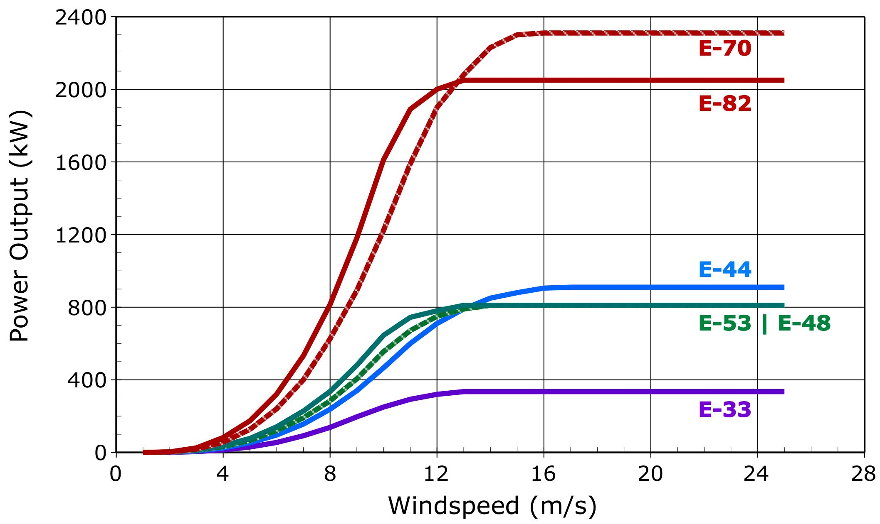
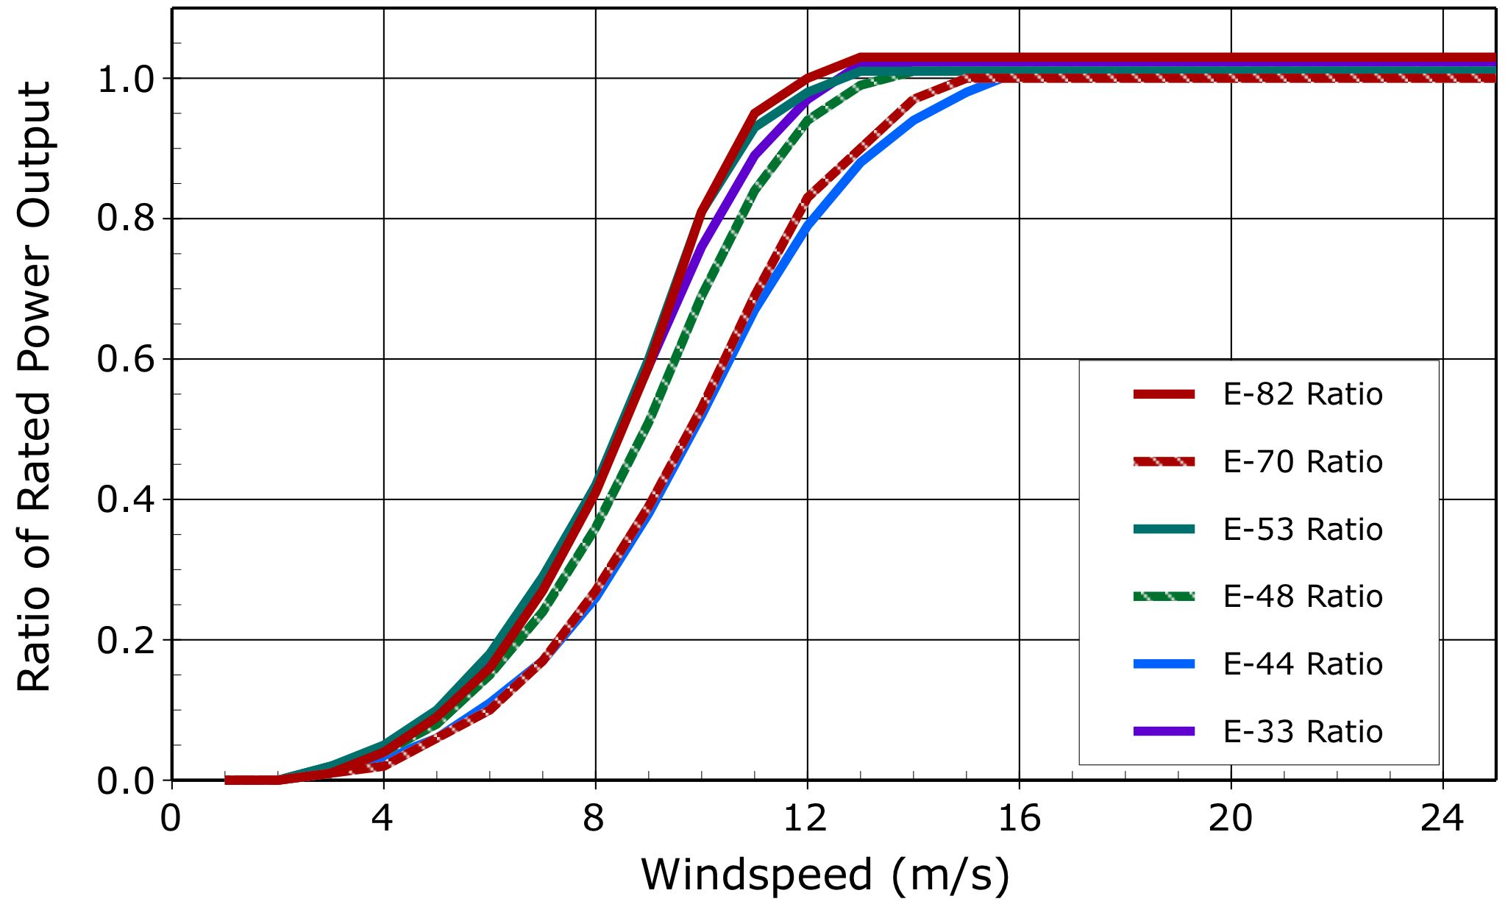
...
Enercon Wind Turbines
18 | 40.27 | 335.0 | 1.02 | 910.0 | 1.01 | 810.0 | 1.01 | 810.0 | 1.01 | 2310.0 | 1.00 | 2050.0 | 1.03
19 | 42.50 | 335.0 | 1.02 | 910.0 | 1.01 | 810.0 | 1.01 | 810.0 | 1.01 | 2310.0 | 1.00 | 2050.0 | 1.03
20 | 44.74 | 335.0 | 1.02 | 910.0 | 1.01 | 810.0 | 1.01 | 810.0 | 1.01 | 2310.0 | 1.00 | 2050.0 | 1.03
21 | 46.98 | 335.0 | 1.02 | 910.0 | 1.01 | 810.0 | 1.01 | 810.0 | 1.01 | 2310.0 | 1.00 | 2050.0 | 1.03
22 | 49.21 | 335.0 | 1.02 | 910.0 | 1.01 | 810.0 | 1.01 | 810.0 | 1.01 | 2310.0 | 1.00 | 2050.0 | 1.03
23 | 51.45 | 335.0 | 1.02 | 910.0 | 1.01 | 810.0 | 1.01 | 810.0 | 1.01 | 2310.0 | 1.00 | 2050.0 | 1.03
24 | 53.69 | 335.0 | 1.02 | 910.0 | 1.01 | 810.0 | 1.01 | 810.0 | 1.01 | 2310.0 | 1.00 | 2050.0 | 1.03
25 | 55.93 | 335.0 | 1.02 | 910.0 | 1.01 | 810.0 | 1.01 | 810.0 | 1.01 | 2310.0 | 1.00 | 2050.0 | 1.03
26 | 58.16 | 335.0 | 1.02 | 910.0 | 1.01 | 810.0 | 1.01 | 810.0 | 1.01 | 2310.0 | 1.00 | 2050.0 | 1.03

